OpeningPage
Applied Business Valuation
Final exam 3 tasks
Péter Juhász, PhD, CFA
peter.juhasz@uni-corvinus.hu

Admin
Kindly save this file renaming it following the pattern below. Please hand in the file only after named properly.
ABV3rdFinal_FamilyName_GivenName.xlsx

Applied Business Valuation

Date | 2023-12-20
Student name | Sam Sample | Master in Finance
Neptun code | ABCD1234 | Master in Accounting

Study program | Master in Finance
Instructor | Péter Juhász, PhD, CFA

Total points achieved | 0

Task 1
Date | 2023-12-20
Student name | Sam Sample
Neptun code | ABCD1234

Study program | Master in Finance
Instructor | Péter Juhász, PhD, CFA

Points achived:

Notes of the reviewer.

Task 1
Firm A plans to take over and merge with Firm B. (Both companies show a perpetuity like operation.) They plans for reorganisations are shown below. The price agreed transfers 30% of the synergies expected to the sellers. 40% of the purchase price will be covered from non-operative cash available initialy at Firm A, the rest would be paid in shares of the next merged firm. Calculate the number of new shares to issue and the trade-in rate of the old Firm B shares. (10 points)

 |  | Firm A | Firm B | Together
 | FCFF | 500.00 |  | 600.00
 | FCFE |  | 70.00
 | g | 3.00% | 4.00% | 3.30%
 | rA | 10.00% | 10.00% | 10.00%
 | D/V | 25.00% | 30.00% | 25.00%
 | rD | 5.00% | 6.00% | 5.00%
 | t | 15.00% | 15.00% | 15.00%
 | # of shares | 1,000,000.00 | 2,000,000.00

 | rE | 11.67% | 11.71% | 11.67%

 | WACC | 9.81% | 9.73% | 9.81% | Synergy
 | V boy | 7339.4495413 | 1296.296 | 9213.0518234 | 577.306
 | E boy | 5504.587156 | 907.407 | 6909.7888676
 | D boy | 1834.8623853 | 388.889 | 2303.2629559
 | E* | 5504.587156 | 907.407 | 6909.7888676

 | min price | 907.407
 | max price | 1484.713

 | 30% transfer | 1080.5992032
 | 40% cash | 432.23968126
 | Ownership pased over to B | 648.35952189
 | Ownership stake for B | 9.38%

 | Number of initial shares | 3,000,000.00
 | Ownership stake for A | 91%

 | Number of shares to be issued for B | 310,644
 | Total number of shares post merger | 3,310,644

 | Exchange rate | 1.1035

Task 2
 | Date | 2023-12-20
 | Student name | Sam Sample
 | Neptun code | ABCD1234

 | Study program | Master in Finance
 | Instructor | Péter Juhász, PhD, CFA

 | Points achived:

Notes of the reviewer.

Taks 2
You find the key numbers of a financial plan below. Determine the value of the equity using at least three different DCF methods for the start of 2023 assuming that new projects will not create any added value during the terminal value period.
(10 points)

 |  |  | 2023 | 2024 | 2025 | 2026 | 2027 | TV1 | TV2
 |  | IC boy | 750,000.00 | 810,000.00 | 860,000.00 | 903,000.00 | 936,927.00 | 966,302.13 | 1,050,617.69
 |  | dIC | 60,000.00 | 50,000.00 | 43000 | 33927 | 29375.1275 | 84315.559172 | 89374.492723
 |  | ROIC | 11.00% | 12.00% | 12.50%
 |  | RONIC |  |  |  | 13.00% | 13.00% | 8.54% | 8.54%
 |  | K |  |  | 40.00% | 30.00% | 25.00% | 70.26% | 70.26%
 |  | g TV period |  |  |  |  |  |  | 6.00%
 |  | D/V boy | 0.00% | 13.90% | 20.51% | 30.00% | 30.00% | 30.00% | 30.00%
 |  | D/IC boy | 0.00% | 20.00% | 30.00%
 |  | t | 20.00% | 20.00% | 20.00% | 20.00% | 20.00% | 20.00% | 20.00%
 |  | rf | 10.00% | 8.00% | 7.00% | 6.00% | 5.00% | 5.00% | 5.00%
 |  | rMarket portfolio | 16.00% | 14.00% | 13.00% | 12.00% | 11.00% | 11.00% | 11.00%
 |  | b unlevered (industry) | 0.80 | 0.80 | 0.80 | 0.80 | 0.80 | 0.80 | 0.80
 |  | Debt risk premium | 0.00% | 1.00% | 1.50% | 2.00% | 2.00% | 2.00% | 2.00%
 |  | rD | 10.00% | 9.00% | 8.50% | 8.00% | 7.00% | 7.00% | 7.00%
 |  | rE | 14.80% | 12.80% | 11.80% | 10.80% | 9.80% | 9.80% | 9.80%
 |  | rA | 14.80% | 12.27% | 11.12% | 9.96% | 8.96% | 8.96% | 8.96%
 |  | WACC | 14.80% | 12.02% | 10.77% | 9.48% | 8.54% | 8.54% | 8.54%

 |  | IC BOY | 750,000.00 | 810,000.00 | 860,000.00 | 903,000.00 | 936,927.00 | 966,302.13 | 1,050,617.69
 |  | DEBT BOY | 0 | 162000 | 258000 | 398715.89113 | 412765.25761 | 421577.79586 | 446872.46361 | 473684.81143
 |  | EQUITY BOY | 750,000.00 | 648,000.00 | 602,000.00 | 504,284.11 | 524,161.74 | 544,724.33 | 603,745.22

 |  | NOPLAT | 82500 | 97200 | 107500 | 113090 | 117500.51 | 120009.14589 | 127209.69464
 |  | dIC | 60,000.00 | 50,000.00 | 43,000.00 | 33,927.00 | 29,375.13 | 84,315.56 | 89,374.49
 |  | FCFF | 22,500.00 | 47,200.00 | 64,500.00 | 79,163.00 | 88,125.38 | 35,693.59 | 37,835.20
 |  | interest payment | 0 | 14580 | 21930 | 31897.271291 | 28893.568033 | 29510.44571 | 31281.072453
 |  | tax shield | 0 | 2916 | 4386 | 6379.4542581 | 5778.7136066 | 5902.0891421 | 6256.2144906
 |  | dDebt | 162000 | 96000 | 140715.89113 | 14049.366479 | 8812.53825 | 25294.667752 | 26812.347817
 |  | FCFE | 184,500.00 | 131,536.00 | 187,671.89 | 67,694.55 | 73,823.07 | 37,379.90 | 39,622.69

1 | FCFF+TS | FCFF+TS | 22,500.00 | 50,116.00 | 68,886.00 | 85,542.45 | 93,904.10 | 41,595.68 | 44,091.42
 |  | rA | 14.80% | 12.27% | 11.12% | 9.96% | 8.96% | 8.96% | 8.96%
 |  | Vboy | 1034531.2412 | 1165141.8649 | 1258008.0236 | 1329052.9704 | 1375884.192 | 1405259.3195 | 1489574.8787

2 | FCFF | FCFF | 22,500.00 | 47,200.00 | 64,500.00 | 79,163.00 | 88,125.38 | 35,693.59 | 37,835.20
 |  | WACC | 14.80% | 12.02% | 10.77% | 9.48% | 8.54% | 8.54% | 8.54%
 |  | V boy | 1034531.2412 | 1165141.8649 | 1258008.0236 | 1329052.9704 | 1375884.192 | 1405259.3195 | 1489574.8787

3 | FCFE | FCFE | 184,500.00 | 131,536.00 | 187,671.89 | 67,694.55 | 73,823.07 | 37,379.90 | 39,622.69
 |  | rE=(rA-D/V*rD)/(1-D/V) | 14.80% | 12.80% | 11.80% | 10.80% | 9.80% | 9.80% | 9.80%
 |  | E boy | 1034531.2412 | 1003141.8649 | 1000008.0236 | 930337.07931 | 963118.93443 | 983681.52368 | 1042702.4151
 |  | Debt boy | 0 | 162000 | 258000 | 398715.89113 | 412765.25761 | 421577.79586 | 446872.46361
 |  | V boy | 1034531.2412 | 1165141.8649 | 1258008.0236 | 1329052.9704 | 1375884.192 | 1405259.3195 | 1489574.8787

Task 3
Date | 2023-12-20
Student name | Sam Sample
Neptun code | ABCD1234

Study program | Master in Finance
Instructor | Péter Juhász, PhD, CFA

Points achived:

Notes of the reviewer.

Taks 2
Based on the given data calculate the value of the listed multiples. (10 points)

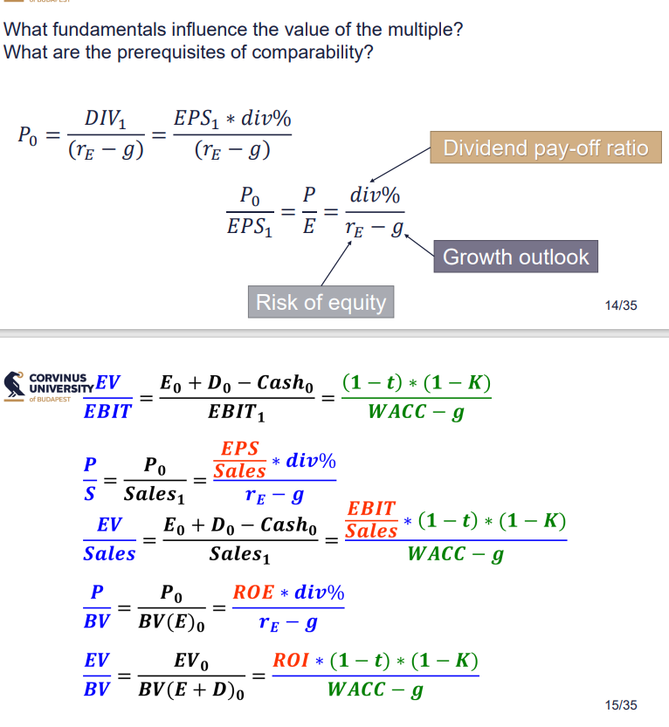

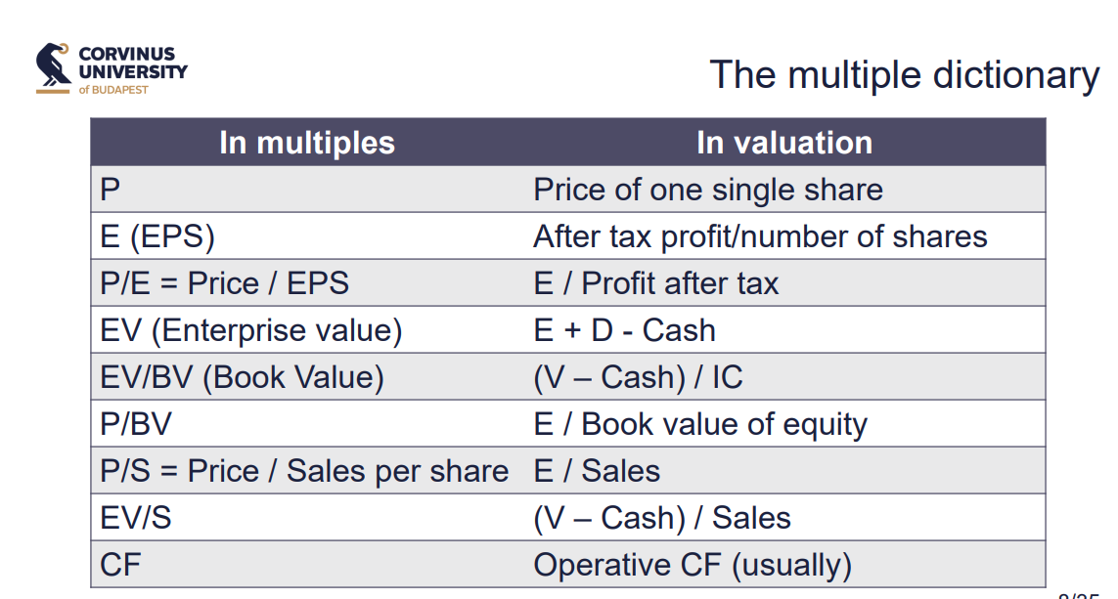
P/E | 22.22
EV/EBIT | 14.69
P/BV | 3.51
EV/BV | 2.16
EV/S | 1.12

P/L
Sales Revenue | 10,500,000.00
D&A | 700,000.00
Operational profit | 800,000.00
Profit before tax | 700,000.00
Tax | 250,000.00
After tax profit | 450,000.00

Balance sheet
PP&E | 4,000,000.00
Inventory | 500,000.00
Receivables | 700,000.00
Cash | 250,000.00

Equity | 2,850,000.00
Variable rate bank loans | 1,100,000.00
Outstanding face value of bonds | 1,000,000.00
Payables | 500,000.00

Closing price of bonds | 9.00
Number of bonds | 100,000.00
Closing price of shares | 5.00
Number of shares | 2,000,000.00

Equity Market Value | 10000000
Debt Market Value | 2000000
Enterprise Value | 12000000

E | 0.225
IC | 5,450,000.00

Task 4
Date | 2023-12-20
Student name | Sam Sample
Neptun code | ABCD1234

Study program | Master in Finance
Instructor | Péter Juhász, PhD, CFA

Points achived:

Notes of the reviewer.

Task 4
A venture capital (VC) firm with a yearly cost of capital of 20% wants to invest into Idea Ltd. The current book value of equity at Idea is 200, and the further development of their new product idea requires 300 unit of extra capital right now. In 2 years time, another 500 units of money will be needed to set up a manufacturing facility in case the product development would be successful. Then, based on the forecast, the fully equity financed Idea Ltd could be sold for 6000 in 7 years. If the product development would not be successful, the firm's assets can be sold for 700. After that, any inflow to the VC company will be invested at 5% yearly. The likelihood of success is 25%. What percentage of ownership should the VC firm receive for each of the capital raises? Are the current owners likely to accept the offer?
(10 points)

GreatIdea
The venture capital fund RiskIt Co. is about to acquire a stake in GreatIdea Ltd. GreatIdea currently operates without leverage using an equity of 30 M HUF, wholly owned by the founders. Based on the plans of RiskIt, the firm's total would be sold in the best case for 1500 M HUF in 6 years from now.
To convert the existing idea into a product, GoodIdea needs a capital boost of 70 million. The chance of success is 30 percent. In that case, an additional 100 million is required in 2 years to set up mass production. They also expect to receive a 100 million bank loan to cover the purchase of manufacturing equipment. The loan is expected to have a grace period of 5 years. In case of failure, the firm will be liquidated, providing an inflow of cash equal to 90 percent of the initial investment. Inflows would be invested at a yearly rate of 7 percent until the end of the investment horizon. The cost of financing for RiskIt is 20 percent yearly.
1) What is the adequate required rate to use for the success case?
2) How will the stake of ownership of the investors change because of the equity increases?
3) Is it worth investing? What difficulties emerge once we could only sell the firm for 1100 million in 6 years?
4) How should the cost of capital, the probability of success, and the return earned in case of failure change so our proposal would still be acceptable from the business point of view?
GreatIdea
The venture capital fund RiskIt Co. is about to acquire a stake in GreatIdea Ltd. GreatIdea currently operates without leverage using an equity of 30 M HUF, wholly owned by the founders. Based on the plans of RiskIt, the firm's total would be sold in the best case for 1500 M HUF in 6 years from now.
To convert the existing idea into a product, GoodIdea needs a capital boost of 70 million. The chance of success is 30 percent. In that case, an additional 100 million is required in 2 years to set up mass production. They also expect to receive a 100 million bank loan to cover the purchase of manufacturing equipment. The loan is expected to have a grace period of 5 years. In case of failure, the firm will be liquidated, providing an inflow of cash equal to 90 percent of the initial investment. Inflows would be invested at a yearly rate of 7 percent until the end of the investment horizon. The cost of financing for RiskIt is 20 percent yearly.
1) What is the adequate required rate to use for the success case?
2) How will the stake of ownership of the investors change because of the equity increases?
3) Is it worth investing? What difficulties emerge once we could only sell the firm for 1100 million in 6 years?
4) How should the cost of capital, the probability of success, and the return earned in case of failure change so our proposal would still be acceptable from the business point of view?
GreatIdea
The venture capital fund RiskIt Co. is about to acquire a stake in GreatIdea Ltd. GreatIdea currently operates without leverage using an equity of 30 M HUF, wholly owned by the founders. Based on the plans of RiskIt, the firm's total would be sold in the best case for 1500 M HUF in 6 years from now.
To convert the existing idea into a product, GoodIdea needs a capital boost of 70 million. The chance of success is 30 percent. In that case, an additional 100 million is required in 2 years to set up mass production. They also expect to receive a 100 million bank loan to cover the purchase of manufacturing equipment. The loan is expected to have a grace period of 5 years. In case of failure, the firm will be liquidated, providing an inflow of cash equal to 90 percent of the initial investment. Inflows would be invested at a yearly rate of 7 percent until the end of the investment horizon. The cost of financing for RiskIt is 20 percent yearly.
1) What is the adequate required rate to use for the success case?
2) How will the stake of ownership of the investors change because of the equity increases?
3) Is it worth investing? What difficulties emerge once we could only sell the firm for 1100 million in 6 years?
4) How should the cost of capital, the probability of success, and the return earned in case of failure change so our proposal would still be acceptable from the business point of view?
 | RiskIt Co.

 | rFinancing | 20%

 | rReinvestment | 5%

 | GreatIdea Ltd
 |  |  |  | Post money value | 1319.218986
 |  | Today |  |  | In 2 years |  |  | In 7 years
 | Equity | 200 |  | Capital increase 2 | 500 |  | Sales price | 6000
 | Pre money vlaue | 146.95753774 |  | Pre money value | 819.21898597 |  | D | 0
 | Capital increase 1 | 300 |  | Bank loan | 0 |  | E | 6000
 | Total investment (IC) | 500 |  | PE Stake (y=2) | 37.90% | % of ownwrr who invested in the first year
 | Post monay vslue | 446.95753774 |  | 1-PE | 62.10% |  | PE Stake (y=2) | 37.90%
 |  |  | 25% | PE stake (inc Year 1) | 41.68% | % of ownwrr who invested in the 0 year | PE stake (inc Year 1) | 41.68%
 | PE stake(guess) | 67% |  | Founders stake | 20.42% | % of founders | Founders stake | 20.42%
 | PE stake (guess)- market based | 67%
 | diff | 0% | 75% |  |  |  | Total Value | 893.40
Q2 Answer | Founders stake | 33% | years | Liquidation | 700.00 |  | PE Value | 599.65
 |  |  |  | Inflow for PE | 469.84 |  | PE Value | 599.65
 | Investment horizon | 7
 | Chance of failure | 75% |  |  |  |  | Founders cash inflow | 1225.0671877 | after selling in 6 years
 | Yearly return for failure | 10.4% |  |  |  |  | Founders yearly return | 35%
 | Chance of success | 25%
Q1 Answer | Yearly return on success | 0.353838535 | (1+rfin)^t=Prob fail *(1+r fail)^t+Prob success*(1+rsuccess)^t

Task 5
Date | 2023-12-20
Student name | Sam Sample
Neptun code | ABCD1234

Study program | Master in Finance
Instructor | Péter Juhász, PhD, CFA

Points achived:

Task 5
Describe and contrast five approaches used for asset valuation. (10 points)

Type your answer here.

Bonus Task
Date | 2023-12-20
Student name | Sam Sample
Neptun code | ABCD1234

Study program | Master in Finance
Instructor | Péter Juhász, PhD, CFA

Points achived:
Notes of the reviewer.

Type your answer here.

Taks 3
Below you see the financial plan for two alternative strategic options. In both cases, the new projects will not generate added value during the terminal value period. Which alternative would you propose to the shareholders and why?
(10 points)

General data | 2024 | 2025 | 2026 | 2027 | 2028 | TV1 | TV2
IC boy | 20,000.00
g TV |  |  |  |  |  |  | 4.00%
rA | 9.00% | 9.00% | 9.00% | 9.00% | 9.00% | 9.00% | 9.00%
D/V boy |  |  |  |  |  | 35.00% | 35.00%
rD |  |  |  |  |  | 5.00% | 5.00%
t | 20.00% | 20.00% | 20.00% | 20.00% | 20.00% | 20.00% | 20.00%

Option A |  |  |  |  |  |  |  | Option B
ROIC | 10.00% | 10.00% | 10.00% | 10.00% | 10.00% |  |  | Additional IC boy | 1,000.00
D/V | 35.00% | 35.00% | 35.00% | 35.00% | 35.00% |  |  | ROIC | 9.00%
rD | 5.00% | 5.00% | 5.00% | 5.00% | 5.00% |  |  | RONIC |  | 13.00% | 12.00% | 11.00% | 10.00%
g |  | 4.00% | 4.00% | 4.00% | 4.00% | 4.00% |  | D/IC | 50.00% | 50.00% | 50.00% | 50.00% | 50.00%
 |  |  |  |  |  |  |  | rD | 7.00% | 7.00% | 7.00% | 7.00% | 7.00%
 |  |  |  |  |  |  |  | dIC | 2,000.00 | 1,900.00 | 1,800.00 | 1,700.00 | 1,600.00
IC boy | 20,000.00
Debt
Equity | 20,000.00

NOPLAT | 2000
dIC
FCFF

